Max Movements

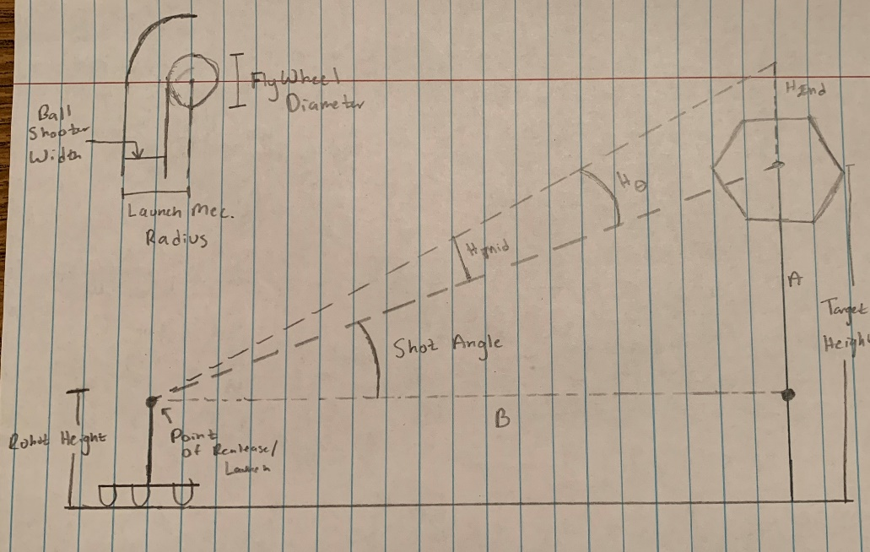
VARIABLES (in): |  | GENERATED VARIABLES (in):
Ball Shooter Width: | 6.98 | Triangle Opp. Length: | 56.74
Flywheel Diameter: | 8 | Triangle Adj. Length: | 206.625
Robot Height: | 45 | Shot Angle (deg): | 15.355141932
Max Shot Distance: | 206.625 | Launch Mech. Radius: | 10.98
Max Shot Height: | 98.25 | Launch Mech. Circ.: | 68.989374673
 |  | Launch Mech Circ. 1/4: | 17.247343668
Shot Distance | 200
Shot Height | 98.25 | B Length: | 14.304728002
 |  | B Angle: | 74.644858068
 |  | A Length: | 2.9426156665
 |  | A Angle: | 15.355141932

